Mitigation
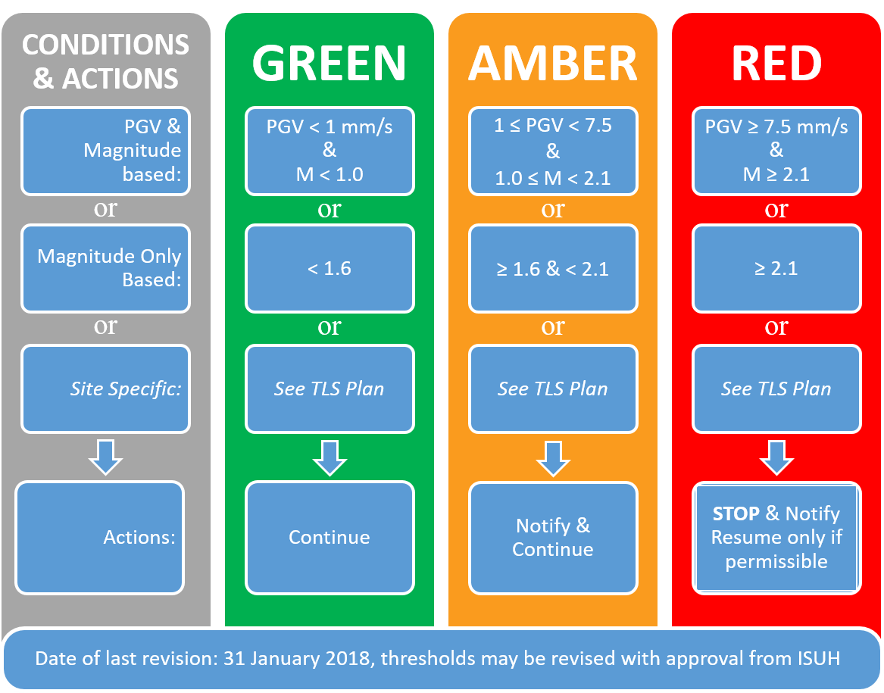

 | Mitigation measures | Mitigation measures | Mitigation measures
1 | None | Stop pumping | Stop pumping
2 |  | Engage pumper breaks | Engage pumper breaks
3 |  | Keep well pressurized | Keep well pressurized
4 |  | Notify ISUH | Notify ISUH and discuss possibility to depressurize the well
5 |  | Wait until well balances | Start depressurizing well slowly (max 1 bar/min)
6 |  | Continue with lower P & Q | Note flow out
7 |  |  | Stop when well head pressure 0 bar(g)
8 |  |  | Wait until permission to resume achieved
9 |  |  | Continue with lower P & Q
10

